COVER
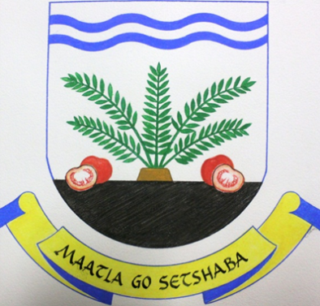

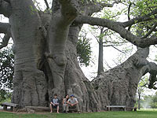


GREATER LETABA MUNICIPALITY
2014/15
ANNUAL PERFORMANCE REPORT

STRATEGY
Vision and Mission | The strategic vision of the organisation sets the long term goal the Municipality wants to achieve. The vision of Greater Letaba Municipality is: "To be an outstanding agro-processing and eco-cultural tourism hub". The strategic mission speaks about what the purpose of Greater Letaba Municipality is: The mission of Greater Letaba Municipality is to ensure an effective, efficient and economically viable municipality through: Provision of accountable, transparent, consultative and co-operative governance. Improving the quality of life through economic development and poverty alleviation. Provision of sustainable services. Ensuring a safe and healthy environment.
Strategy map | The Strategy Map depicts the strategic objectives on how Greater Letaba Municipality will be able to become an outstanding agro-processing and eco-cultural tourism hub while providing sustainable and affordable services to all. These objectives were positioned in terms of the Balanced Scorecard Perspectives being: Learning and Growth; Institutional Processes; Financial results and Community Satisfaction. All operational outputs (projects, initiatives and process) as contained within the SDBIP are aligned to the attainment of one or more of these objectives.
 | 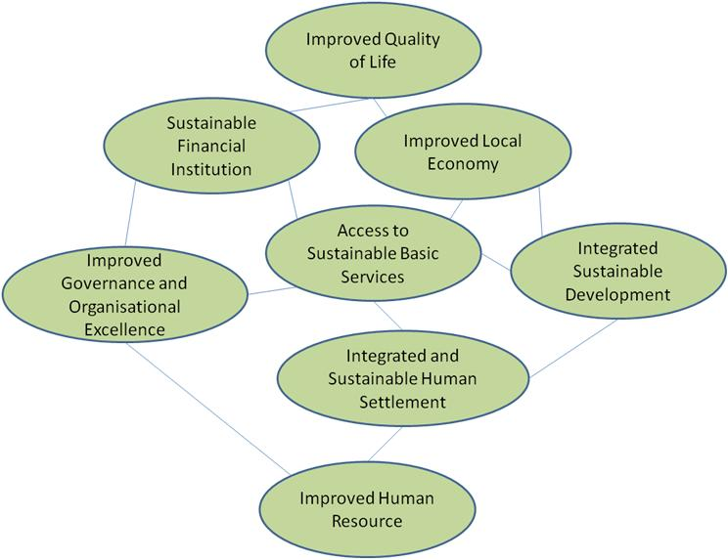

Approval
